U18
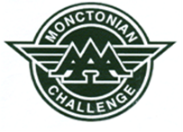

41st MONCTONIAN AAA CHALLENGE

U18 TEAM ROSTERS

